Project3199
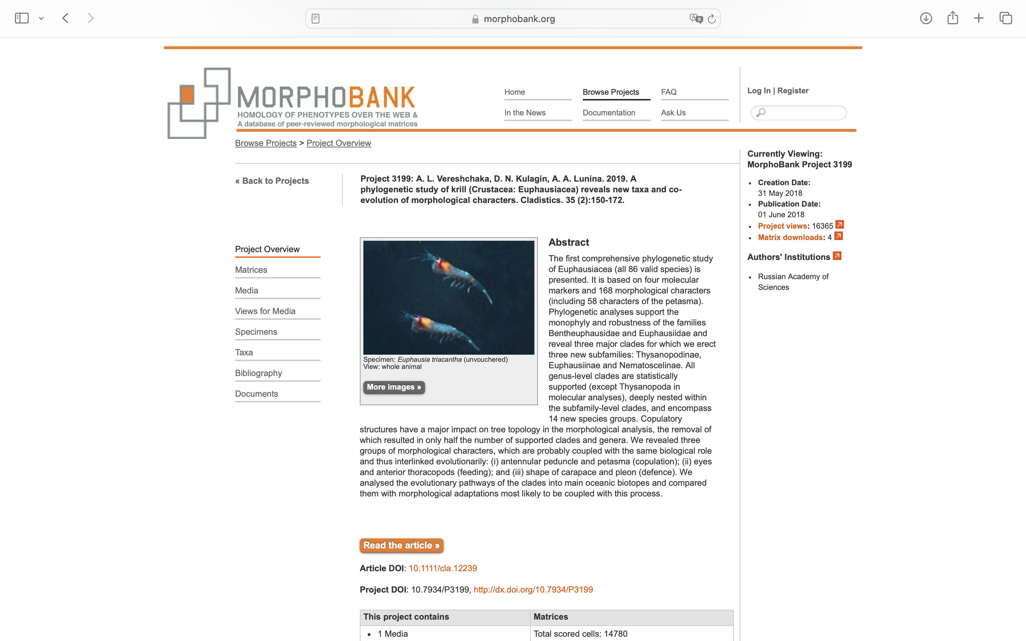
Charlabels | Character Pattern | Unseen States
[1] 'Rostrum, long and acute' | Neomorphic | NO
[2] 'Rostrum short or inconspicuous' | Neomorphic | NO
[3] 'Carapace, frontal margin as a nearly rectangular plate' | Neomorphic | NO
[4] 'Frontal plate bending slightly upward and outward as a narrow flange, appearing to shield slightly the upper part of the eye' | Neomorphic | NO
[5] 'ionmatrix.ss' | Neomorphic | NO
[6] 'Carapace, postocular tooth' | Neomorphic | NO
[7] 'Carapace, hepatic tooth' | Neomorphic | NO
[8] 'Carapace, two pairs of lateral denticles' | Neomorphic | NO
[9] 'Carapace, one pair of lateral denticles' | Neomorphic | NO
[10] 'Carapace, one pair of supralateral denticles set above an incision in the lower edge' | Neomorphic | NO
[11] 'Abdominal somites I, pleon acute and projected forward' | Neomorphic | NO
[12] 'Abdominal somites IV, ventral lobe' | Neomorphic | NO
[13] 'Abdominal somites III, mid-dorsal spine' | Neomorphic | NO
[14] 'Abdominal somites IV, mid-dorsal spine' | Neomorphic | NO
[15] 'Abdominal somites IV, one posterior tooth on each side' | Neomorphic | NO
[16] 'Abdominal somites IV, several irregular posterior teeth on each side' | Neomorphic | NO
[17] 'Abdominal somites IV, additional pair of dorsal teeth' | Neomorphic | NO
[18] 'Abdominal somites IV, three short rows of integumental pits in depressed grooves which have elevated keel-like borders' | Neomorphic | NO
[19] 'Abdominal somites V, ventral lobe' | Neomorphic | NO
[20] 'Abdominal somites V, three short rows of integumental pits in depressed grooves which have elevated keel-like borders' | Neomorphic | NO
[21] 'Abdominal somites V, mid-dorsal spine' | Neomorphic | NO
[22] 'Abdominal somites V, one posterior tooth on each side' | Neomorphic | NO
[23] 'Abdominal somites V, several irregular posterior teeth on each side' | Neomorphic | NO
[24] 'Abdominal somites V, additional pair of dorsal teeth' | Neomorphic | NO
[25] 'Abdominal somite VI short (nearly as long as somite V)' | Neomorphic | NO
[26] 'Eyes' | Transformational | YES
[27] 'Eyes slightly assymetrical, not completely subdivided' | Neomorphic | NO
[28] 'Eye, divided upper part regularly rounded' | Neomorphic | NO
[29] 'Eye, divided upper part bent respective to the main axix of eye' | Neomorphic | NO
[30] 'Eye, upper part lentoid' | Neomorphic | NO
[31] 'Eye, upper part extednded vertically' | Neomorphic | NO
[32] 'Eye, upper part crepe-like' | Neomorphic | NO
[33] 'Eyes, enlarged cristalline cones' | Neomorphic | NO
[34] 'Eyes, two or three crystalline cones in the upper part' | Neomorphic | NO
[35] 'Eyes, four to eight crystalline cones in the upper part' | Neomorphic | NO
[36] 'Eyes, nine or more crystalline cones in the upper part' | Neomorphic | NO
[37] 'AI peduncle sexually dimorphic (2 distal segments much narrower than basal segment)' | Neomorphic | NO
[38] 'AI peduncle, flagellum shorthened (<2 tiimes as long as peduncle)' | Neomorphic | NO
[39] 'A I, basal segment with distal portion elevated abruptly as a heavy, posteriorly-rounded lobe' | Neomorphic | NO
[40] 'A I peduncle, lappet' | Neomorphic | NO
[41] 'A I, basal segment, pectinate lappet' | Neomorphic | NO
[42] 'A I, basal segment, spiniform lappet' | Neomorphic | NO
[43] 'A I, basal segment, distally bifid lappet in both sexes' | Neomorphic | NO
[44] 'A I, basal segment, lappet distally bifid in females and simple in males' | Neomorphic | NO
[45] 'A I, basal segment, lappet as a simple rounded projection' | Neomorphic | NO
[46] 'A I, basal segment, vertically bent lappet' | Neomorphic | NO
[47] 'A I, lappet raised as a hood over the base of the 2nd segment' | Neomorphic | NO
[48] 'A I, basal segment, thick lappet with forward-directed apical tooth' | Neomorphic | NO
[49] 'A I, basal segment, thin, scale-like lappet' | Neomorphic | NO
[50] 'A I, second segment with distal lobe overrlying third segment' | Neomorphic | NO
[51] 'A I, second segment with distal lobe reaching middle of third segment' | Neomorphic | NO
[52] 'A I, second segment with distal lobe not reaching middle of third segment' | Neomorphic | NO
[53] 'A I, one strong dorsomedialal tooth on second segment' | Neomorphic | NO
[54] 'A I, long distolateral tooth on second segment' | Neomorphic | NO
[55] 'A I, short distolateral tooth on second segment' | Neomorphic | NO
[56] 'A I, two short dorsal teeth on second segment' | Neomorphic | NO
[57] 'A I, two rudimentary dorsal teeth on second segment' | Neomorphic | NO
[58] 'A II, elongate scaphocerite (12-15 times as long as wide)' | Neomorphic | NO
[59] 'Mandibula, palp' | Neomorphic | NO
[60] 'Mandibula, short palp (<1,5 times as long as pars incisiva)' | Neomorphic | NO
[61] 'Mandibula, long palp (>1,5 times as long as pars incisiva)' | Neomorphic | NO
[62] 'Th I, terminal segment triangular-shaped, furnished with brush-like bristles on inner lateral margin' | Neomorphic | NO
[63] 'Th I, propodus with one regular row of setae' | Neomorphic | NO
[64] 'Th I, propodus with two regular rows of setae' | Neomorphic | NO
[65] 'Th I, propodus with inner margin convex' | Neomorphic | NO
[66] 'Th I, propodus with inner margin stright' | Neomorphic | NO
[67] 'Th I, dactyl with inner margin concave' | Neomorphic | NO
[68] 'Th I, dactyl with inner margin staight' | Neomorphic | NO
[69] 'Th II, grasping structure' | Neomorphic | NO
[70] 'Th II, strong grasping setae along last three terminal segments at least' | Neomorphic | NO
[71] 'Th II, strong grasping setae at the apex of the penultimate segment and on the terminal segment' | Neomorphic | NO
[72] 'Thoracopod II, fourth and fifth segments elongated' | Neomorphic | NO
[73] 'Thoracopod II, second to fourth segments elongated' | Neomorphic | NO
[74] 'ThP II, strong grasping setae along entire margin of two distal segments' | Neomorphic | NO
[75] 'ThP II, apical cluster of long spines' | Neomorphic | NO
[76] 'ThP II, apical cluster of long spines arising only from dactylus' | Neomorphic | NO
[77] 'ThP II, apical cluster of long spines arising from both dactylus and propodus' | Neomorphic | NO
[78] 'Th II, slightly expanded, not setose terminal segment' | Neomorphic | NO
[79] 'Th III, grasping structure' | Neomorphic | NO
[80] 'Th III, bent merus' | Neomorphic | NO
[81] 'Th III, dactyl in adult male reduced and bearing a long strong spine' | Neomorphic | NO
[82] 'ThP III, a tuft of strong grasping setae on broadened propodus and dactyl' | Neomorphic | NO
[83] 'ThP III, dactylus elongated and armed at tip with five long serrated spines' | Neomorphic | NO
[84] 'Thoracopod III, setae forming a true chela' | Neomorphic | NO
[85] 'Thoracopod III, setae forming a false chela' | Neomorphic | NO
[86] 'Thoracopod III, false chela formed of simple curved bristles' | Neomorphic | NO
[87] 'Thoracopod III, false chela formed of finely serrate, curved bristles' | Neomorphic | NO
[88] 'Thoracopod III, propodus bearing numerous short curved bristles in addition to 3 longer ones' | Neomorphic | NO
[89] 'Thoracopod VII, endopod in females' | Neomorphic | NO
[90] 'Thoracopod VII, endopod in females 5-segmented, short' | Neomorphic | NO
[91] 'Thoracopod VII, endopod in females 2-segmented' | Neomorphic | NO
[92] 'Thoracopod VII, endopod in males' | Neomorphic | NO
[93] 'Thoracopod VII, endopod in males 5-segmented, short' | Neomorphic | NO
[94] 'Thoracopod VII, endopod in males 2-segmented' | Neomorphic | NO
[95] 'Thoracopod VII, exopod 2-segmented' | Neomorphic | NO
[96] 'ThP VII, developed exopod similar to that on Th I-VI' | Neomorphic | NO
[97] 'Thoracopod VII, reduced exopod, shorter than that on Th I-VI' | Neomorphic | NO
[98] 'Thoracopod VII, rudimentary undivided exopod' | Neomorphic | NO
[99] 'Thoracopod VIII endopod in female developed' | Neomorphic | NO
[100] 'Thoracopod VIII, endopod in female rudimentary' | Neomorphic | NO
[101] 'Thoracopod VIII, endopod in male rudimentary' | Neomorphic | NO
[102] 'Thoracopod VIII, developed exopod similar to that on thoracopods I-VII' | Neomorphic | NO
[103] 'Thoracopod VIII, reduced exopod, shorter than that on thoracopods I-VII' | Neomorphic | NO
[104] 'Thoracopod VIII, rudimentary undivided exopod' | Neomorphic | NO
[105] 'Uropod, exopod 2-segmented' | Neomorphic | NO
[106] 'Photophores, well-developed both at the furcilia and at the adult stage' | Neomorphic | NO
[107] 'Photophores, well-developed at the furcilia and greatly reduced/absent at the adult stage' | Neomorphic | NO
[108] 'Photophores, only five organs' | Neomorphic | NO
[109] 'Photophores, ten organs' | Neomorphic | NO
[110] 'First pleopod, basipod with 1?6 genital spines in male' | Neomorphic | NO
[111] 'Petasma' | Neomorphic | NO
[112] 'Petasma, fused lobi internus and medialis' | Neomorphic | NO
[113] 'Petasma, lobi internus and medialis separate' | Neomorphic | NO
[114] 'Petasma, lobus medialis short (less than lobus internus)' | Neomorphic | NO
[115] 'Petasma, lobus medialis rudimentary' | Neomorphic | NO
[116] 'Petasma, conic bumps at the base of lobus medialis' | Neomorphic | NO
[117] 'Petasma, a single conic bump at the base of lobus medialis' | Neomorphic | NO
[118] 'Petasma, two conic bumps at the base of lobus medialis' | Neomorphic | NO
[119] 'Petasma, well-developed processus lateralis' | Neomorphic | NO
[120] 'Petasma, rudimentary processus lateralis' | Neomorphic | NO
[121] 'Petasma, processus lateralis located in the middle of lobus medialis' | Neomorphic | NO
[122] 'Petasma, processus lateralis locatied at the base of lobus medialis' | Neomorphic | NO
[123] 'Petasma, processus lateralis not reaching the end of lobus medialis' | Neomorphic | NO
[124] 'Petasma, processus lateralis reaching the end of lobus medialis' | Neomorphic | NO
[125] 'Petasma, processus lateralis overreaching the end of lobus medialis' | Neomorphic | NO
[126] 'Petasma, processus lateralis, tooth on the distal end' | Neomorphic | NO
[127] 'Petasma, processus lateralis dentate/dissected at the distal end' | Neomorphic | NO
[128] 'Petasma, rudimentary lobus internus' | Neomorphic | NO
[129] 'Petasma, rhomboid lobus internus' | Neomorphic | NO
[130] 'Petasma, lobus internus with serrated outer margin' | Neomorphic | NO
[131] 'Petasma, a single processus additionalis' | Neomorphic | NO
[132] 'Petasma, two processi additionali' | Neomorphic | NO
[133] 'Petasma, three processi additionali' | Neomorphic | NO
[134] 'Petasma, four processi additionali' | Neomorphic | NO
[135] 'Petasma, processus terminalis' | Neomorphic | NO
[136] 'Petasma, processus terminalis with membraneous extensions' | Neomorphic | NO
[137] 'Petasma, processus terminalis medially narrowing' | Neomorphic | NO
[138] 'Petasma, tapering processus terminalis' | Neomorphic | NO
[139] 'Petasma, apically expanded processus terminalis' | Neomorphic | NO
[140] 'Petasma, processus terminalis bearing 2-5 big distal teeth' | Neomorphic | NO
[141] 'Petasma, processus terminalis bearing numerous small terminal teeth' | Neomorphic | NO
[142] 'Petasma, processus terminalis bearing numerous small teeth along the outer edge' | Neomorphic | NO
[143] 'Petasma, processus terminalis with flattened and paddle-like tip' | Neomorphic | NO
[144] 'Petasma, processus terminalis with additional processus' | Neomorphic | NO
[145] 'Petasma, processus terminalis, basal part with well-developed heel-like extension' | Neomorphic | NO
[146] 'Petasma, processus terminalis, basal part with rudimentary heel-like extension' | Neomorphic | NO
[147] 'Petasma, processus terminalis with thin and elongated heel-like extension' | Neomorphic | NO
[148] 'Petasma, processus terminalis with robust heel-like extension' | Neomorphic | NO
[149] 'Petasma, processus spinosus' | Neomorphic | NO
[150] 'Petasma, processus spinosus thin and strongly curved' | Neomorphic | NO
[151] 'Petasma, processus proximalis' | Neomorphic | NO
[152] 'Petasma, robust processus proximalis' | Neomorphic | NO
[153] 'Petasma, slender processus proximalis' | Neomorphic | NO
[154] 'Petasma, processus proximalis tapering' | Neomorphic | NO
[155] 'Petasma, processus proximalis apically subcilindrical' | Neomorphic | NO
[156] 'Petasma, processus proximalis apically expanded' | Neomorphic | NO
[157] 'Petasma, processus proximalis, a plate-like extension at the base' | Neomorphic | NO
[158] 'Petasma, processus proximalis, bilobed plate' | Neomorphic | NO
[159] 'Petasma, processus proximalis, serration on tip' | Transformational | YES
[160] 'Petasma, processus proximalis, smooth margin of bilobed plate' | Neomorphic | NO
[161] 'Petasma, processus proximalis, a single small tooth on margin of bilobed plate' | Neomorphic | NO
[162] 'Petasma, processus proximalis, serrated margin of bilobed plate' | Neomorphic | NO
[163] 'Petasma, processus proximalis, a tooth-like outer distal angle' | Neomorphic | NO
[164] 'Petasma, processus proximalis, additional spine at the distal end' | Neomorphic | NO
[165] 'Petasma, rectangularly bent processus proximalis' | Neomorphic | NO
[166] 'Petasma, smoothly curved processus proximalis' | Neomorphic | NO
[167] 'Petasma, processus proximalis, terminal hook' | Neomorphic | NO
[168] 'Petasma, processus proximalis, a lobe in the basal part' | Neomorphic | NO

